1. Title Page
[Project Name]

Project Name: Instacart GroceryBasket Analysis
Date: September 6, 2023
Analyst Name: Satoru Teshima

Contents:
Population Flow
Consistency checks
Wrangling steps
Column derivations
Visualizations
Recommendations

2. Population Flow
Title page

Population flow

Exclusion flag
Condition: max_order < 5
Obervations to be removed: 1,440,295
Final total count of order_products_all: 30,964,564

Orders_products_combined
Orders_products_merged
Orders_products_all

Total 32,404,859:
Total: 32,435,059
Total: 30,964,564

1.) The grey boxes in the first row of the population flow represent the original data sets as they were when you downloaded them. In the Total fields you need to add the count of the rows when you imported the data set into Jupyter.
2.) The second row of boxes (coloured) represents the data sets after you manipulated them, e.g., removed missing values and duplicates. In the Total fields you need to add the count of the rows after conducting these operations. This offers a visual oveview of how the data flows throughout the data consistency checks.
3.) The third row, where also the arrows are coloured, represents the merges you performed between the datasets. In the Total fields you need to add the count of the rows in the merged datasets, so that you end up with the final dataset (in the red box). Keep in mind the final dataset should be without exclusions (based on the exclusion flag).

3. Consistency checks
 |  |  |  | Title page
Consistency checks

Dataset | Missing values | Missing values treatment | Duplicates
orders | 206209 null values in 'days_since_prior_order' column | The null values indicate the user is new and previously had made zero orders. Hence no treatment is made. | No duplicates
products | 16 null values in 'product_name' | Dropped the rows.
orders_products_prior
customers | 11259 values in 'first_name | Replaced it with 'Unknown'

4. Wrangling steps
 |  |  |  | Title page
Wrangling steps

Columns dropped | Columns renamed | Columns' type changed | Comment/Reason
orders | 'order_dow' -> 'orders_day_of_week' |  | renamed for readability
orders | days_since_prior_order_ -> 'days_since_last_order' |  | renamed for readability
customers | 'First Name' -> 'first_name' |  | renamed for naming convention
customers | 'Surnam' -> 'surname' |  | renamed for naming convention
customers | 'Gender' -> 'gender' |  | renamed for naming convention
customers | 'STATE' -> 'state' |  | renamed for naming convention
customers | 'Age' -> 'age' |  | renamed for naming convention

5. Column derivations
 |  |  |  | Title page

Column derivations and aggregations

In this tab you should add tables below that the frequences of flags/label variables that you produced after deriving them. NB: don't do this for continuous variables, only for flags.
Dataset | New column | Column/s it was derived from | Conditions
order_prods_merge | busiest_days | order_day_of_the_week | Busiest day: 0, Least busy: 4 Regularly busy: all other values
 | loyality_flag | max_order | Loyal customer: value > 40 Regular customer: value<=40 and >10 New customer: value <10
 | spending_flag | mean_price | Low spender: < 10 High spender: >=10
 | order_frequency_flag | median_days | Frequent customer: > 20 Regular customer: > 10 and <= 20 Non-frequent customer: <=10
 | low_activity_customers | orders | max_order < 5
 | age_group | age | Teenagers: 13-19 years Young Adults: 20-35 years Adults: 36-64 years Seniors: 65 years and older
 | income_group | income | - Low Income: $0 - $67000 - Middle Income: $67001 - $100000 - High Income: $100001 - $400000 - Very High Income: $400001+
 | department | department_id | derived from department.csv and merged with order_prods_merge
 | parental_age | num_dependants, age_group | #young parents are users with more than one depandant and within the age 18 - 29 #older parents are users with more than one depandant and the age older than 29
 | region | states | Region 1 (Northeast) 'Maine', 'New Hampshire', 'Vermont', ' Massachusetts', 'Rhode Island', 'Connecticut', 'New York', 'Pennsylvania', 'New Jersey', Region 2 (Midwest) 'Wisconsin', 'Michigan', 'Illinois', ' Indiana', 'Ohio', 'North Dakota', 'South Dakota', 'Nebraska', 'Kansas', 'Minnesota', 'Iowa', 'Missouri', Region 3 (South) 'Delaware', 'Maryland', 'District of Columbia', 'Virginia', 'West Virginia', 'North Carolina', 'South Carolina', 'Georgia', 'Florida', 'Kentucky', 'Tennessee', 'Mississippi', 'Alabama', 'Oklahoma', 'Texas', 'Arkansas', 'Louisiana', Region 4 (West) 'Idaho', 'Montana', 'Wyoming', 'Nevada', 'Utah', 'Colorado', 'Arizona', 'New Mexico', 'Alaska', 'Washington', 'Oregon', 'California', 'Hawaii',

6. Visualizations
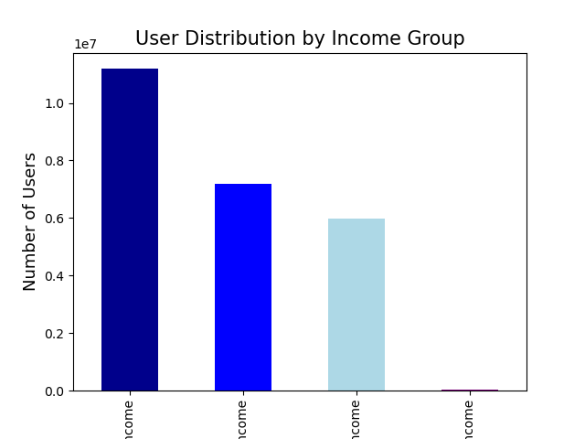
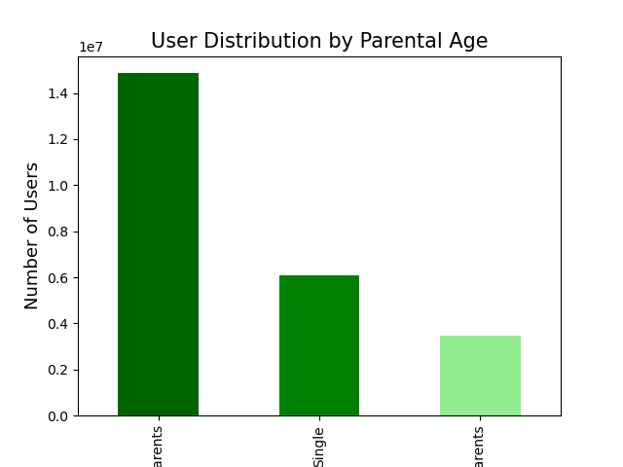
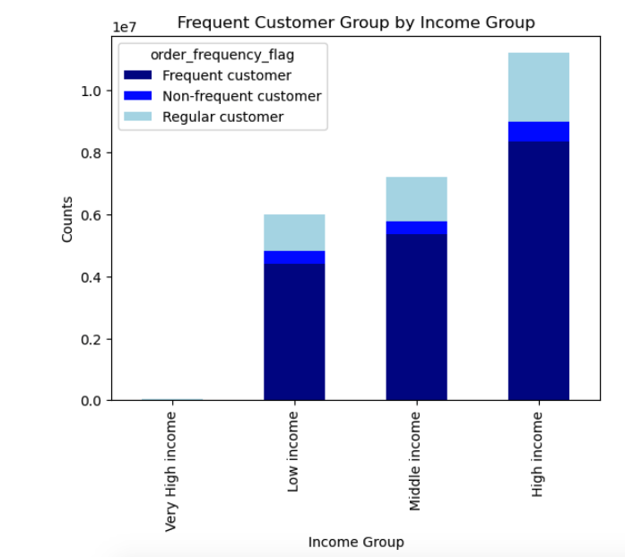
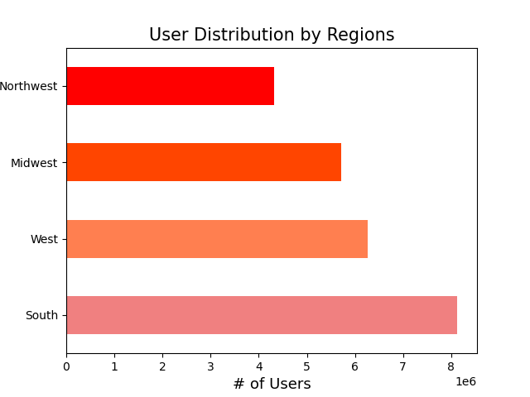
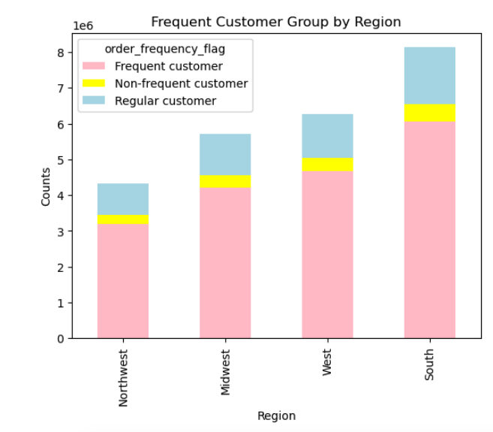
 |  |  |  | Title page

Visualisations

In this tab you should include all the visualtions from Exercises 4.9 and 4.10, alongside the questions from the project brief that they answer. Include any commentary on the relationship between different variables.

 | 1. What are the busiest days of the week and hours of the day for orders?
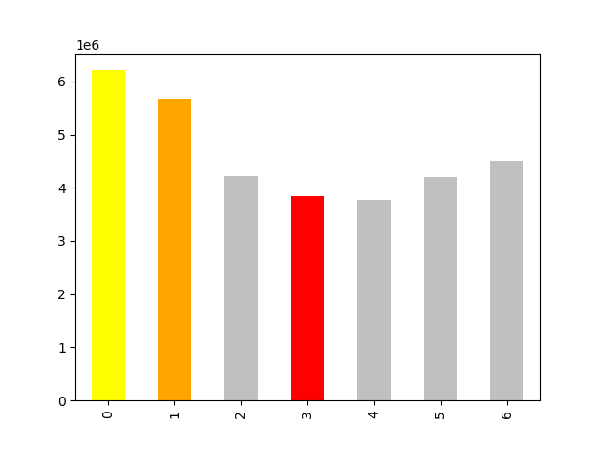

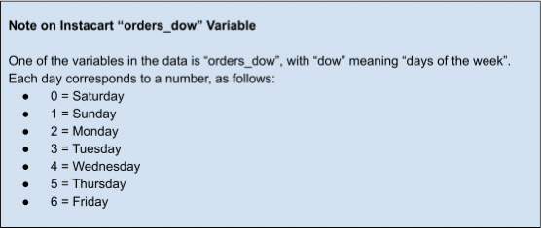

 |  |  | Comment
 |  |  | As you can see from the line chart between number of orderes and order day, 0, 1 have the most orders while 3 has the least orders.
 |  |  | Based on the order_dow_ variable,
 |  |  | BUSIEST DAY is Saturday, followed by Sunday
 |  |  | SLOWEST DAY is Tuesday.


 |  |  | Comment
 |  |  | This histogram explains that the order starts coming in from 6AM, peaks at 10AM and slows down from 4PM.
 |  |  | BUSIEST HOUR OF DAY is 10AM to 4PM

 | 2. Are there particular times of the day when people spend more money?
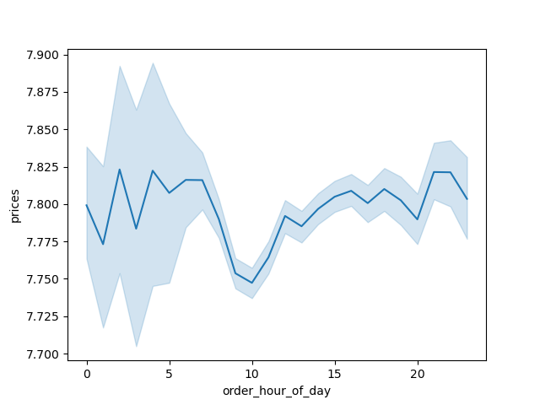

 |  |  | Comment
 |  |  | This lines chart illustrates that that between 3am and 7AM people spend the most money. However there is no significant difference between time of day.

 | 3. Are there a simpler way to group price?
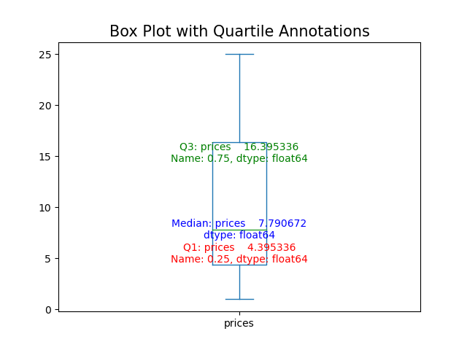
 |  |  | Comment
 |  |  | This box plot shows the percentile of the price range.
 |  |  | Max : 25
 |  |  | Min: 1
 |  |  | Mean: 7.79

 |  |  | Q3: 16.39
 |  |  | Q1: 4.39

 |  |  | Price Grouping:
 |  |  | Low price >= $4.39
 |  |  | Mid price > $4.39 < $16.39
 |  |  | High price >= 16.39

 | 4. Are there certain types of products that are more popular than others?
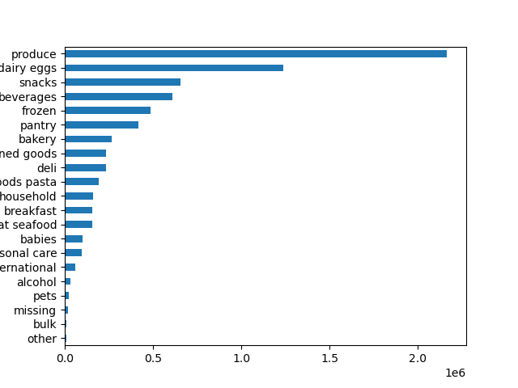
 |  |  | Comment
 |  |  | The produce departments performs the best in sales,

5. What’s the distribution among users in regards to their brand loyalty?
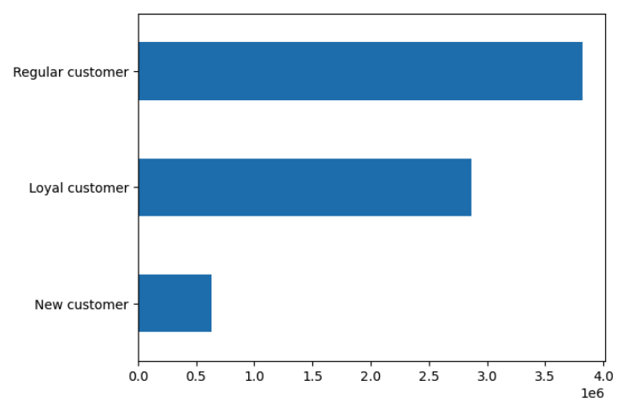
 |  | Regular customer : 52%
 |  | Loyal customer 39 %
 |  | New customer 9%

6. ○ Are there differences in ordering habits based on a customer’s loyalty status?

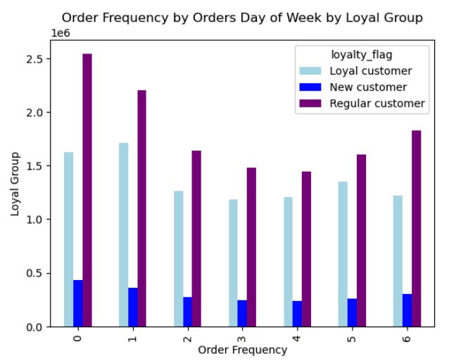
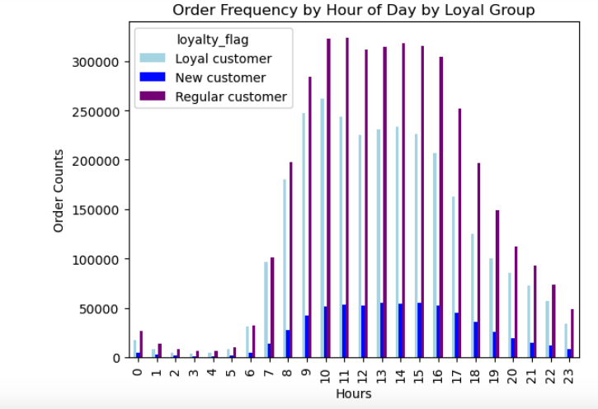

 | Comment
 | Loyal customer makes more orders on Saturday than a regular customer.
 | Loyal and regular customers starts to make orders from early in the morning while new customer begins their ordering gradually from 8AM.

7. Are there differences in ordering habits based on a customer's region?

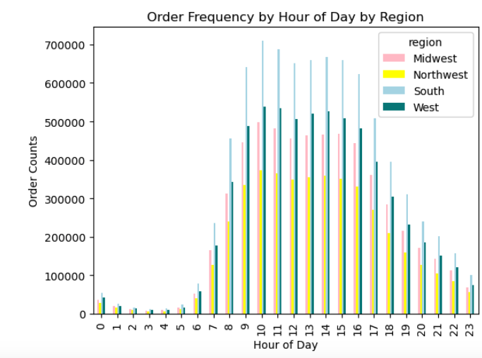
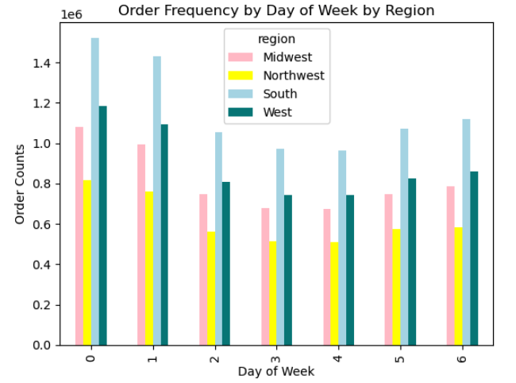

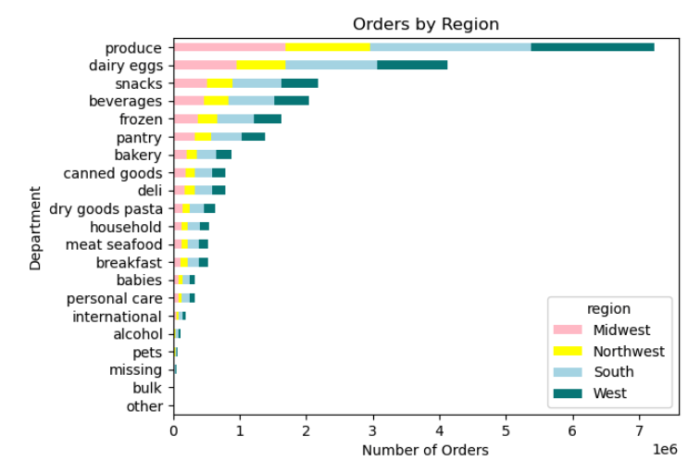

 | Comment
 | South orders the most during the week most notably on Saturday and Sunday.
 | Across the regions produce is the most popular.

8. Is there a connection between age and familty status in terms of ordering habits?
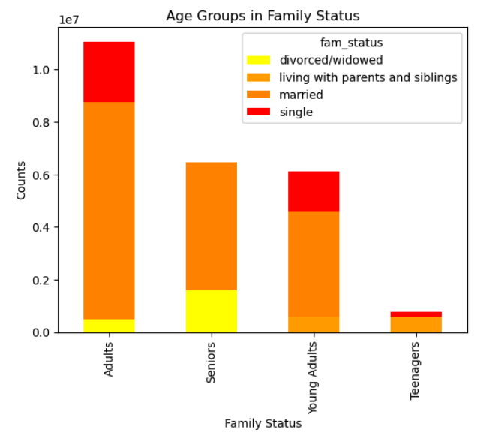
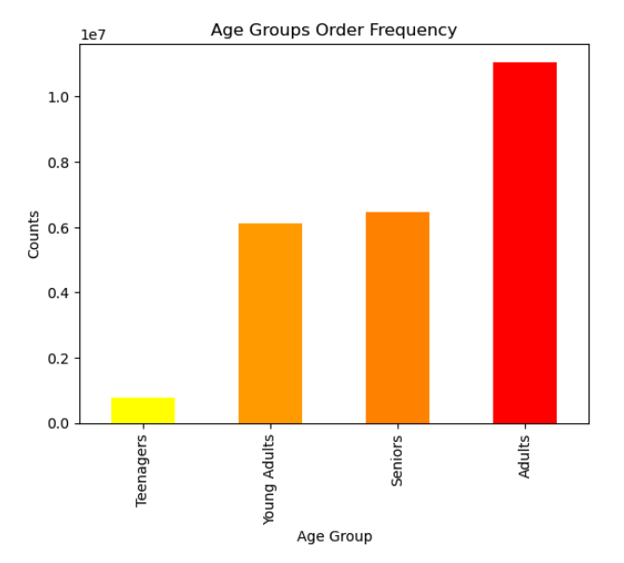

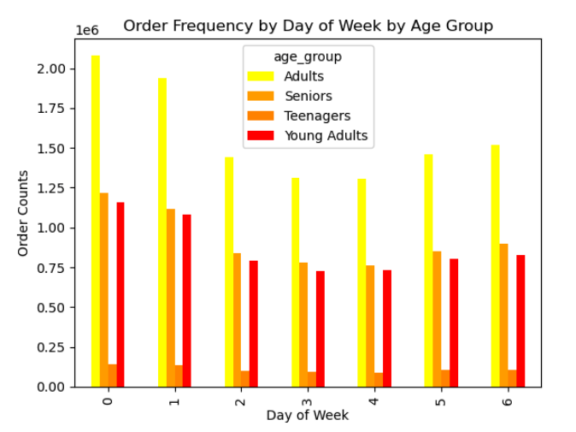
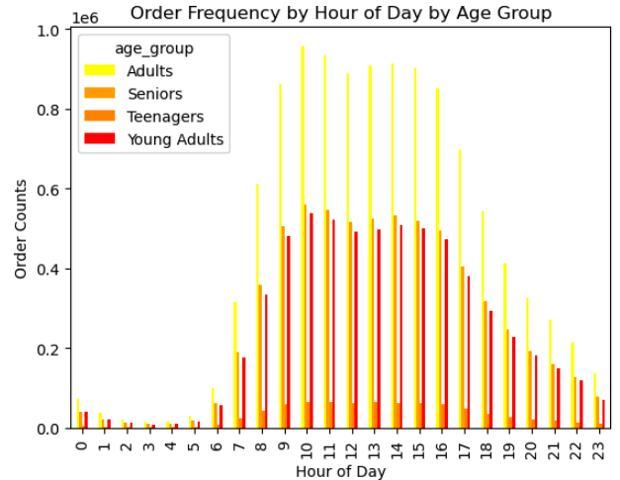

 | Comment
 | Youn Adults and Seniors make similar number of orders.
 | Married users make up the majority of orders.
 | Teenagers make orders most during the day.

 | 9. What different classifications does the demographic information suggest?
 | Age/ Income/Parental Age/ Regions

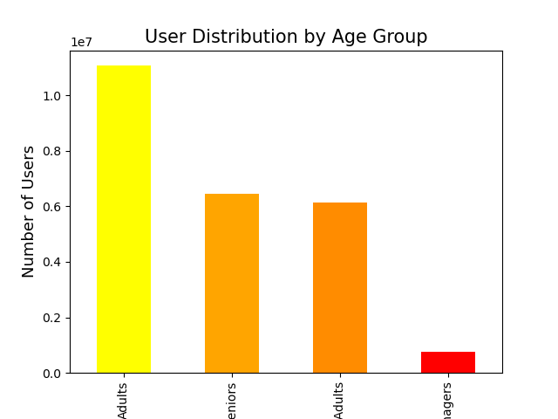

 | 10. What differences are there in the ordering habits of different customer profiles? Price of orders/frequency/products ordered
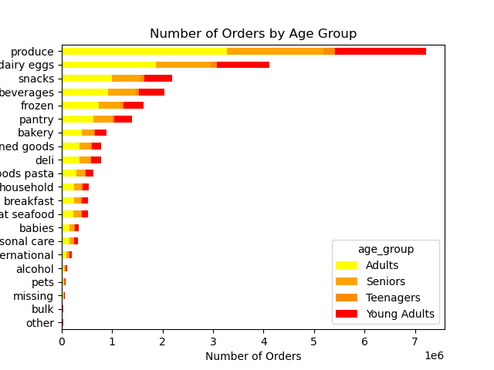

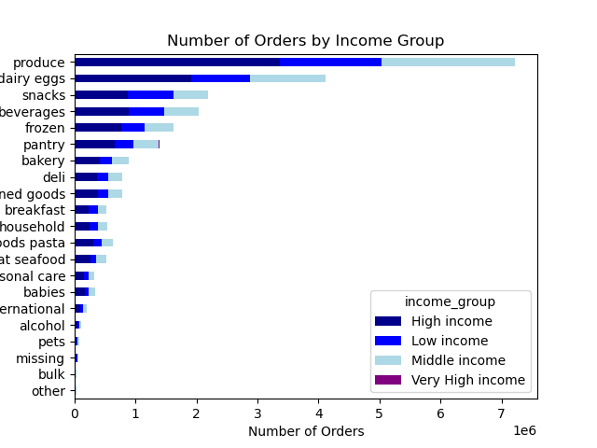
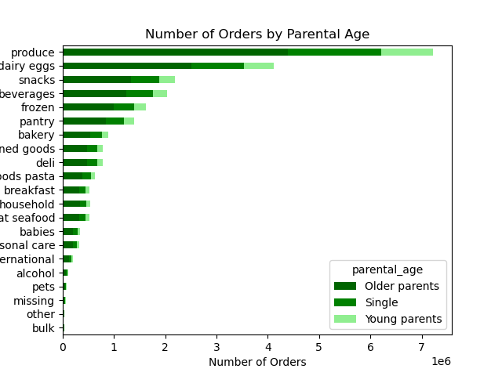

 | Comment
 | The bar above shows the most purchased item by department.
 | Across all profile, Produce is the most popular.
 | The trend is about the same across different profiles.
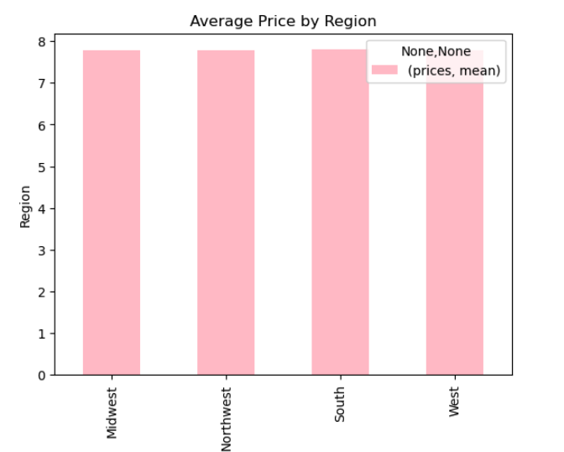
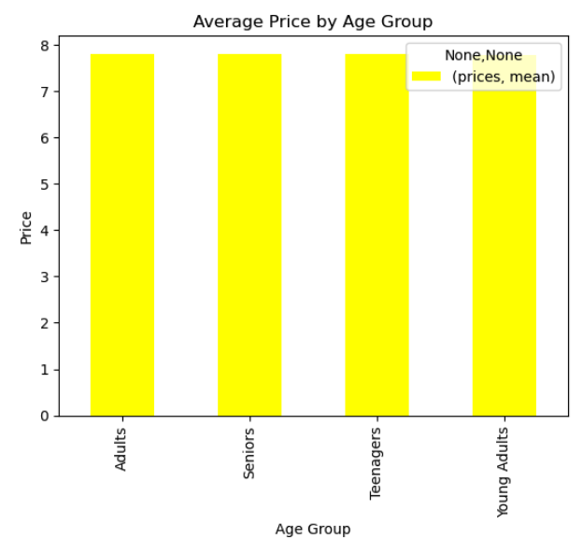

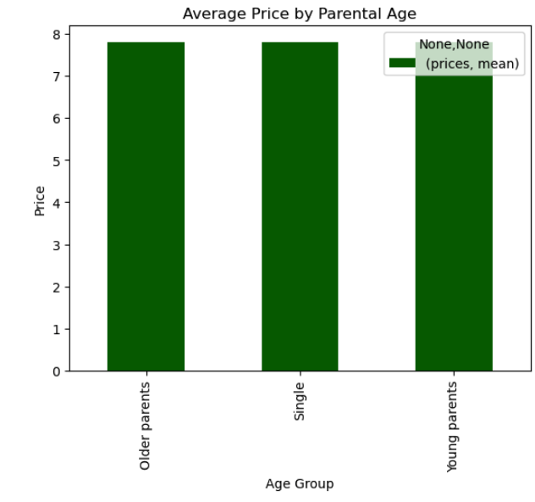
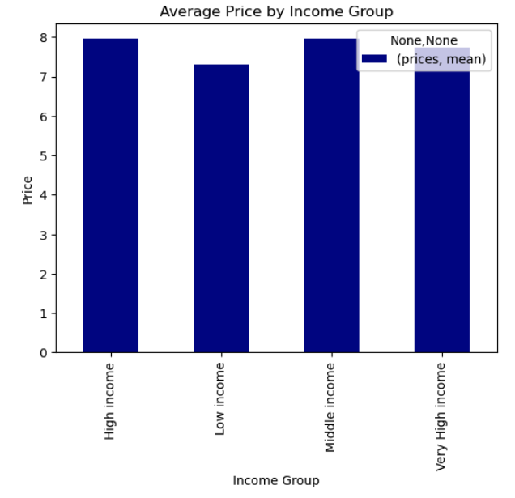

 | Comment
 | The bar above shows the average price by orders with different profiles.
 | The low income group have lower average price.
 | Across different profiles, the average price is $7.

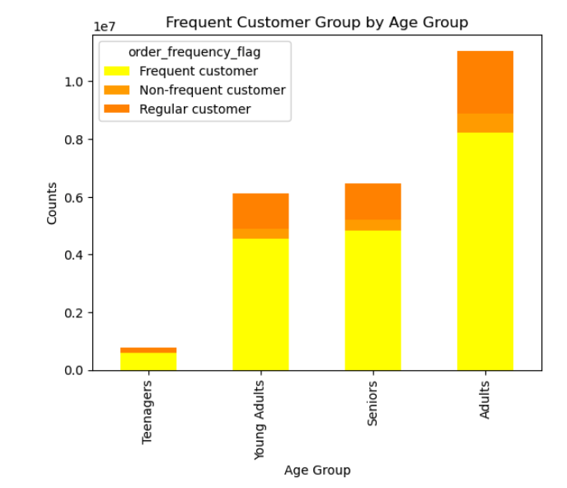

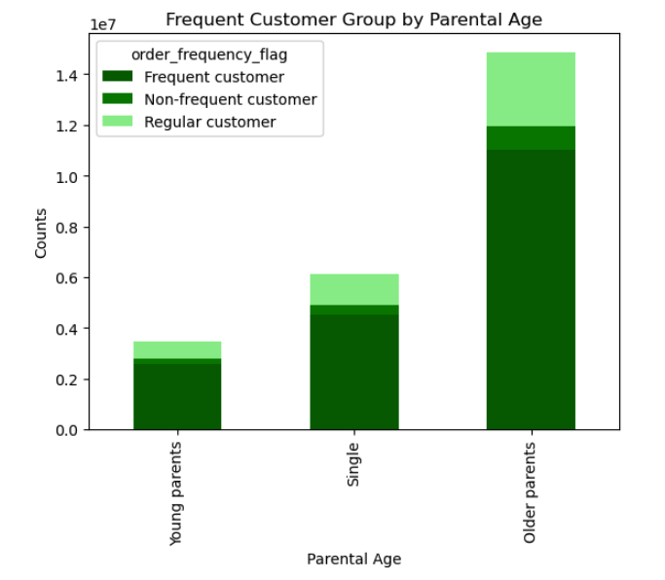

 | Comment
 | The stacked bar above shows the proportion of returning customers.
 | Freequent users make up the most of the proportion.
 | In general, each demographic group's ordering habit follows the same trend.

7. Recommendations
 |  |  |  | Title page

Recommendations

In this tab you should include any recommendations you would made to Instcart in terms of their marketing strategy based on the questions posed in the brief. Every key question has been covered in the Tasks of the Exercises - here you need to add an item - a visualisation or table/crosstable that is showing the answer in the data, acompanied by a comment from you. Please, list the questions below and add the answer underneath.

 | Key Question | Answer | Visuals
1 | What are the busiest days of the week and hours of the day for orders? | BUSIEST DAY is Saturday, followed by Sunday. SLOWEST DAY is Tuesday. In order to boost more orders, put extensive add on Friday to run a special campaign on the weekend, such as weekend discounts.
2 | Are there particular times of the day when people spend more money? | Between 3AM and 7AM people spend the most money. However there is no significant difference between time of day.
3 | Are there a simpler way to group price? | Recommended price grouping based on percentile. Low price >= $4.39 Mid price > $4.39 < $16.39 High price >= 16.39
4 | Are there certain types of products that are more popular than others? | The produce department sells more items than the other department. There are particular departments, such as 'Babies' and 'Pets' that can be boosted by additional advertisement campaign.
5 | What’s the distribution among users in regards to their brand loyalty? | Loyalty Group Proportion: Regular customer : 52% Loyal customer 39 % New customer 9%
6 | Are there differences in ordering habits based on a customer’s loyalty status? | Loyal customer makes more orders on Saturday than a regular customer. Loyal and regular customers starts to make orders from early in the morning while new customer begins their ordering gradually from 8AM. I recommend to create a campaign for loyal customer to enhance brand credibility.
7 | Are there differences in ordering habits based on a customer's region? | South orders the most during the week most notably on Saturday and Sunday. Across the regions produce is the most popular. Identify a popular product by region and boost an ad.
8 | Is there a connection between age and familty status in terms of ordering habits? | Young Adults and Seniors make similar number of orders. Married users make up the majority of orders. Teenagers make orders most during the day. By targeting an advertisement on users with married statusInstacart can cover the majority of users.
9 | What different classifications does the demographic information suggest? | Users can be classified into age, income, married age and regions. Further analysis of the sales data can help clarify further what kind of products and department are most in need.
10 | What differences are there in the ordering habits of different customer profiles? Price of orders/frequency/products ordered | Across all profile, Produce is the most popular. The trend is about the same across different profiles. The low income group have lower average price. Across different profiles, the average price is $7. Freequent users make up the most of the proportion. In general, each demographic group's ordering habit follows the same trend. Further classification of users are recommended.

